Supporting Data Tables
Sales Rep | Item Category | Item | Unit Price | Item Categories | Range | Customer | Customer ID
Eric | Office Supplies | Pen | $0.15 | Office Supplies | 'Supporting Data Tables'!$D$2:$D$7 | GNG | 43475
John | Office Supplies | Pencil | $0.07 | Cleaning Supplies | 'Supporting Data Tables'!$D$8:$D$11 | Air Systems | 13573
Michael | Office Supplies | Desk | $175.00 | Food | 'Supporting Data Tables'!$D$12:$D$15 | Holtech | 83804
Samantha | Office Supplies | Computer Mouse | $25.00 |  |  | V&R Solutions | 17832
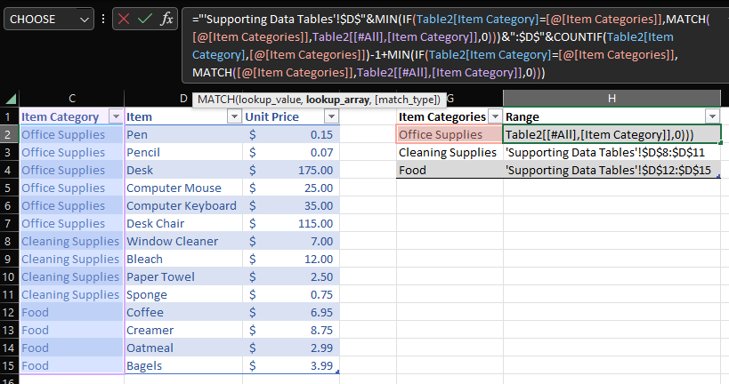
Elizabeth | Office Supplies | Computer Keyboard | $35.00
Ryan | Office Supplies | Desk Chair | $115.00
Jim | Cleaning Supplies | Window Cleaner | $7.00
Pam | Cleaning Supplies | Bleach | $12.00
 | Cleaning Supplies | Paper Towel | $2.50
 | Cleaning Supplies | Sponge | $0.75
 | Food | Coffee | $6.95
 | Food | Creamer | $8.75
 | Food | Oatmeal | $2.99
 | Food | Bagels | $3.99

"Item Categories" Range value is automatically updated if items are added or removed from the Item table using a formula

Sales Form
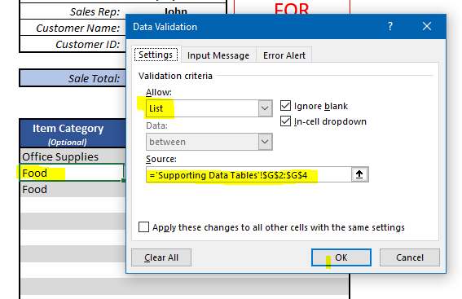
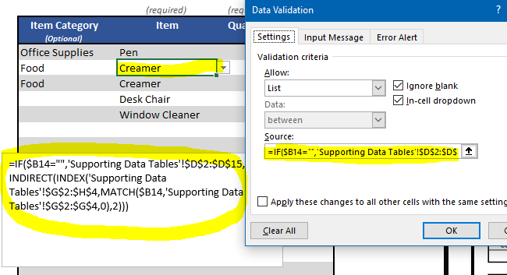
Individual Sale Report
Individual Sale Report
Individual Sale Report

FOR INTERNAL USE ONLY
FOR INTERNAL USE ONLY
FOR INTERNAL USE ONLY
Date: | 2023-01-13 |  |  | Date: | 2023-01-13 |  |  | Date: | 2023-01-13
Sales Rep: | John |  |  | Sales Rep: | John |  |  | Sales Rep: | John
Customer Name: | Holtech |  |  | Customer Name: | Air Systems |  |  | Customer Name: | Holtech
Customer ID: | 83804 |  |  | Customer ID: | 13573 |  |  | Customer ID: | 83804

Sale Total: | $588.25 |  |  | Sale Total: | $25.75 |  |  | Sale Total: | $18.75

 | (required) | (required) | (automatic) |  | (required) | (required) | (automatic) |  | (required) | (required) | (automatic)
Item Category (Optional) | Item | Quantity | Price | Item Category (Optional) | Item | Quantity | Price | Item Category (Optional) | Item | Quantity | Price
Office Supplies | Pen | 125 | $18.75 | Office Supplies | Pen | 125 | $18.75 | Office Supplies | Pen | 125 | $18.75
Food | Creamer | 30 | $262.50 | Cleaning Supplies | Window Cleaner | 1 | $7.00 | Food | Coffee |  | $-
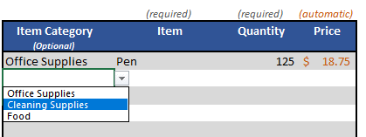
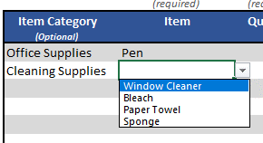
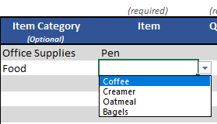
Food | Creamer | 4 | $35.00
 | Desk Chair | 2 | $230.00
 | Window Cleaner | 6 | $42.00

